0. Introduction
Introduction

Planetary Boundary Tool

Overview
The Planetary Boundary tool assesses climate targets at the project level by incorporating Life Cycle Assessment (LCA) values from development projects. It evaluates carbon limits on a per square meter and per person basis, quantifying environmental impact in terms of the Earth's resources required. This approach highlights whether a project exceeds sustainable limits, ensuring targets align with absolute CO2 boundaries rather than arbitrary standards.

Development
Drawing from the book "Doughnut for Urban Development", this tool transforms project-level LCA results for new developments into specific insights on how the project compares to planetary boundaries. By leveraging detailed methodologies from the manual, it showcases the number of "planets" needed as a reference, compared with nine different allocation principle pathways.

Spreadsheet Contents

 | 0. Introduction | - Overview of the tool and its purpose.
 | 1. Getting Started | - Step-by-step instructions on how to use the tool and uploading file
 | 2. Results | - Displays the CO2 impact measured against planetary boundaries.
 | 3. Read More | - Additional explanation, methodology details, licensing information etc.

This tool is part of the toolbox developed for the book "Circular Construction for Urban Development". For more context on the methodology, licensing, version history and other relevant information, please refer to the "Read More" tab in this spreadsheet.

1. Getting Started
Getting Started

How to Retrieve your LCA Data
To calculate and generate results you will need to use LCAbyg and export
your project's "data" into excel. Go through step 0-3 as seen on the
figure below and export the file to a place where you can find it.
Afterwards, you will need to upload the file into this Excel tool.

 |  | 3. Button to export LCAbyg file
 | 1. Open LCAbyg project | Click on "Eksporter Excel" button when |  |  | 0. Switch Language
 | Open your old projects in LCAbyg | you have finalised your LCA calculations. |  |  | The tool works only for Danish export

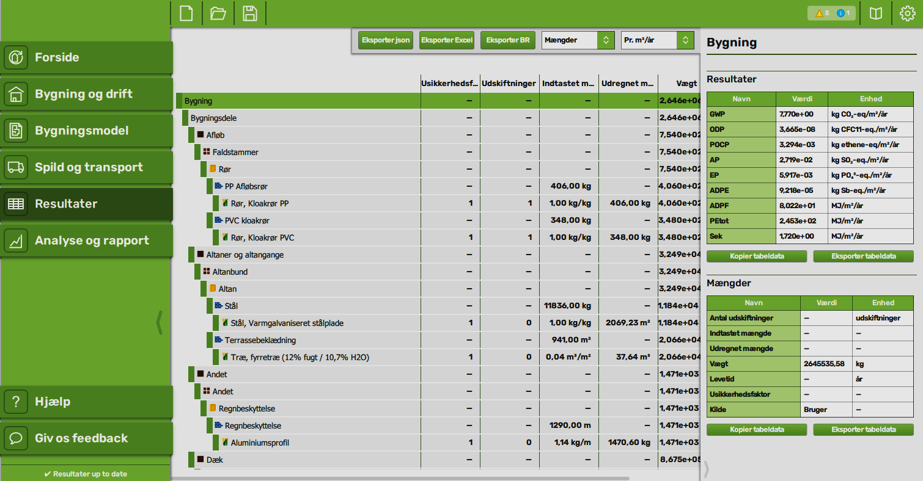

2. Retrieve results
Click on "Resultater" to retrieve your
projects data.

 |  |  |  |  |  | Figure showing: Screenshort of LCAbyg interface

1. Upload your Project Data.
To find how a project's carbon performance relate to the planetary boundaries,
you will have to use the exported Excel file for LCAbyg. The tool is structured
after LCAbyg, but similar tools can be applied if you have the results.

Click on button to upload or replace your "LCAbyg" exported Excel file

2. Manually input other Project Data.
Project name: |  |  | Project
% share of residential space of project: |  |  | 80 | (0-100)
no. of residents in residential space (bedcount): |  |  | 65 | (no. of persons for residential area only)
% coverage of national LCA (performance gap): |  |  | 75 | (0-100)

2. Results & Iterations
Results and Iterations

Results
Here you will find an overview over main LCA results measured in GWP (kg CO2-e)
The planetary boundaries differ for each country, and is perceived differently
depending on allocation principle. In the book "Doughnut for Urban Development"
we presented several principles and recommended the use of the "Sufficiency"
Choose method
and "Equal per capita" allocation principle as the most fair reference. Below
we refer to the limit and planets needed divided by use per person.
Choose country
Allocation principle: |  | Equal per capita; Sufficiency
Country for comparison: |  | Denmark

 | Embodied CO2 | Operational CO2
 | 8.31 | 2.37
Project Info |  |  | Project LCA - embodied & operational | Project CO2 - total
Project name: | Project |  |  | 10.7
 |  |  |  |  | kg CO2e/m2/year
Project has a reference area of 903 m2 with the residential area estimated to be 722,4m2 and the commercial area estimated to be 180,6 m2. There are 65 residents taking up aproximately 11,1 m2/person residential space. |  |  |  |  | (total w/o performance gap)

 |  |  |  | 14.2
 |  |  |  |  | kg CO2e/m2/year
 |  |  |  |  | (total w. performance gap)

Disclaimer: Data is taken from the specific LCAbyg file and input from '1. Getting Started'. If the area distribution between commercial and residential area is not correct please go back and adjust. |  |  |  | 158.3
 |  |  |  |  | kg CO2e/person/year
 |  |  |  |  | (total w. performance gap only for residential)

Click on button to return to update project data
 |  |  |  | Allocation principle
 |  |  |  | 1.2
 |  |  |  |  | kg CO2e/m2/year
 |  |  |  |  | (threshold per m2)

 |  |  |  | 59.8
 |  |  |  |  | kg CO2e/person/year
 |  |  |  |  | (threshold per person)

Operational energy (22,2%) | 2.371325872
Drainage (0,1%) | 0.0069945681063
Balconies (8,0%) | 0.85358342809
Other (0,0%) | 0
Floor construction (12,6%) | 1.3444284875
Electrical & mechanical (3,8%) | 0.40370379296
Foundations (6,3%) | 0.67672812476
Interior walls (6,5%) | 0.69350634619
Beams & columns (0,4%) | 0.043242646851
Roof construction (4,2%) | 0.45147456915
Floor slab (3,9%) | 0.41315628667
Staircases & ramps (4,6%) | 0.49611165664
Water installations (0,1%) | 0.012286399646
Heating installations (2,5%) | 0.27061190817
Ventilation & cooling installations (0,9%) | 0.091756262868
Windows, doors & glass facades (11,3%) | 1.2097051424
Outer walls (12,6%) | 1.3408353776
Project LCA distribution - building parts |  |  |  | Planets needed - area weighted
 |  |  |  |  | 12.1


 |  |  |  | Planets needed to sustain project (per m2)

 |  |  |  | Planets needed - person weighted
 |  |  |  |  | 2.6

 |  |  |  | Planets needed to sustain project (per person)

3. Read More

Read More

Methodology
The "Planetary Boundary Tool," inspired by the "Doughnut for Urban Development" manual, transforms project-level LCA results into actionable insights on ecological performance. It compares development projects against planetary boundaries by utilising nine different allocation principles to determine the number of "planets" needed.
Principles of Scaling
1. National Scaling: Divides the global climate boundary into national shares using different allocation principles.
2. Sectoral Scaling: Further divides national shares into sector-specific targets, such as housing, based on these allocation principles.
Allocation Principles
Equal per Capita: Allocates an equal share of the climate boundary to each person annually, based on the premise that everyone should have equal access to atmospheric commons.
Capacity: Allocates a smaller share of the climate boundary to wealthier countries (measured by GDP per capita), emphasising their greater socio-technical capacity and higher responsibilities for emission reductions.
Historical Responsibility: Assigns the largest share of the climate boundary to countries that have historically contributed the least to climate change, holding high-emitting nations accountable for more ambitious future reductions.
Expenditure Grandfathering: Uses current household and government expenditures to allocate sectoral shares, though it often perpetuates unsustainable consumption patterns.
Emissions Grandfathering: Allocates shares based on each sector's current emissions, often favoring incumbent large-scale sectors over emerging, more sustainable initiatives.
Sufficiency: Allocates resources based on fulfilling human needs without excess, promoting sustainability by limiting resources beyond what is necessary for a dignified life.
LCA performance gap takes into account the missing life cycle phases.
With following formula:
Total Whole Building LCA [kg CO2] * (1/Performance Gap [%])
Residential area takes into account the residential area deducted from referene area:
Reference area [m2] * Residential area [%]
Per person takes into account the number of persons in the residential area
For detailed methodologies and examples, read more on www.home.earth/doughnut

Licensing
This program is licensed under the GNU General Public License v3.0, © 2007 the authors. It is provided with absolutely no warranty. You are free to modify and distribute this work under certain conditions (in particular, all resulting published works must be licensed under the same license). See the "License terms" tab or [choosealicense.com/licenses/gpl-3.0](https://choosealicense.com/licenses/gpl-3.0/).

Updates and Version History
The current version is 1.0
Password for unlocking and modifying workbook is: CCUD

Credits
This tool has been developed by Nicolas Francart, Dan Pham and the project group and reviewed by Harpa Birgisdottir, Agnes Garnow, Frederik Brauer and Giacomo Brusa Cattaneo as a part of the "Circular Construction for Urban Development" book.

